IMP-GS
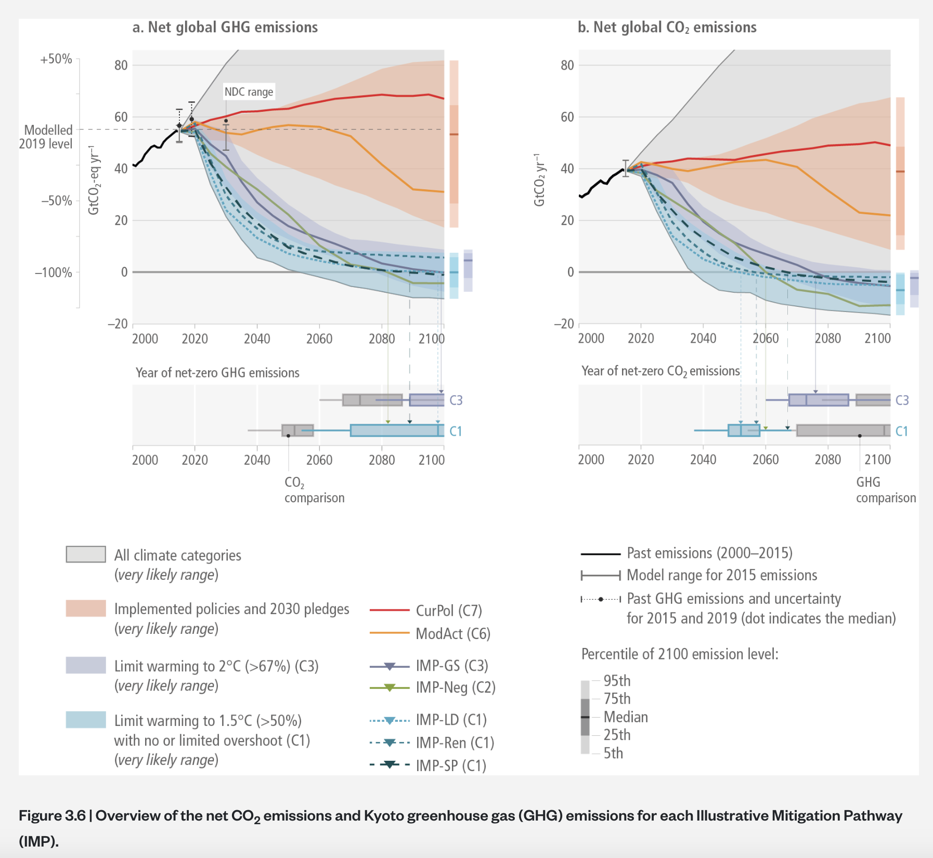
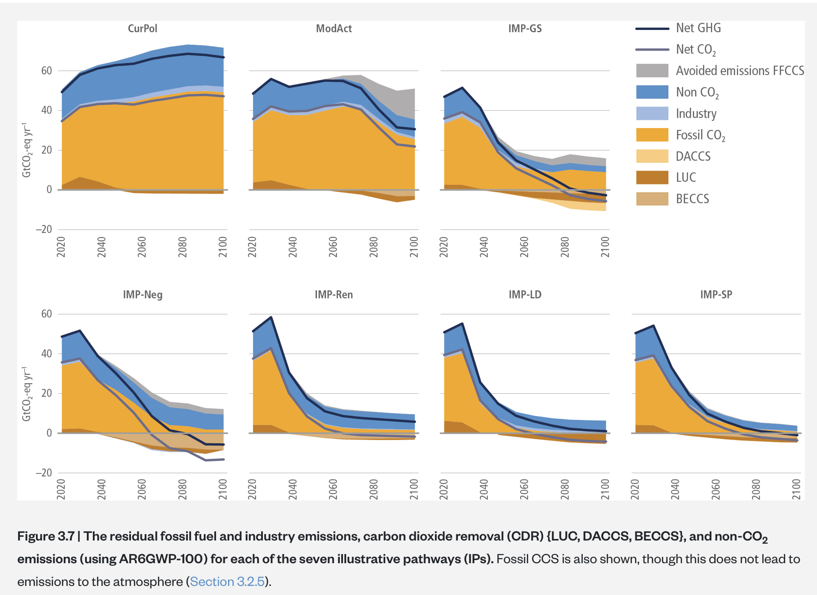
https://www.ipcc.ch/report/ar6/wg3/chapter/chapter-3/
IMP-GS is consistent with limiting warming to 2°C (>67%) (C3)

https://www.ipcc.ch/report/ar6/wg3/figures/summary-for-policymakers/figure-spm-5/
DACCS features in only two of the five IMPs (IMP-REN, IMP-GS) and contributes <1 % and 64%, respectively, to the net negative emissions in Energy Supply (neg.).

